Cover Page
Classification: RESTRICTED, SENSITIVE (NORMAL)
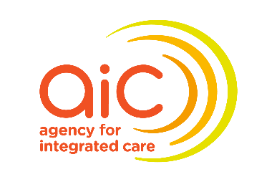
INSTRUCTIONS FOR CLAIM SUBMISSION

Steps:
1 | Complete Grant Claim Form
2 | Seek approval from: (i) For Grant Claim Form - CEO & CFO (or approved delegates)
3 | Complete Grant Claim Checklist
4 | Save the completed file in excel (.xls) with file name as <Grant Claim Form_OSG Ref ID_Claim Period> e.g. "Grant Claim Form_22118CBF_FY23Q1": (i) Grant Claim Form (ii) Grant Claim Checklist
5 | Submit the excel file to AIC through OurSG Grants portal by the stipulated deadline.

Reminder:
● ● | Claim submission during midst of training All claims must be submitted within 2 months after end of calendar quarter. - Quarter 1: April to June (by end of August) - Quarter 2: July to September (by end of November) - Quarter 3: October to December (by end of February) - Quarter 4: January to March (by end of May) E.g. For FY24 Quarter 2 claims, the claim needs to be submitted before 30 November 2024 Claim submission after completion of training 2 months upon completion of the training, or 2 months upon the date of final expense incurred, whichever is later
● | Do contact your Programme Manager if you face challenges with submitting claims and reports on time and request for an extension on the submission timeline through writing.
● | Do remember to retain all email approvals for audit purposes.
● | Do note that although supporting documents do not have to be submitted, there should be a clear listing and description of items claimed for audit purposes.

Grant Claim Form
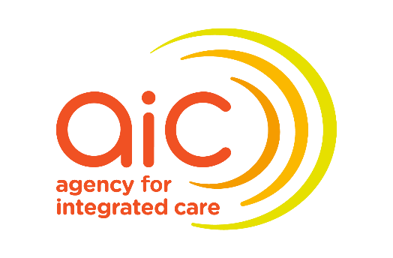

 |  |  |  |  |  |  |  |  | Q1 Submission - Cashflow Projection for Q2 - 4
 |  |  |  |  |  |  |  |  | Q2 Submission - Cashflow Projection for Next Financial Year
CCMDA CLAIM FORM
 |  |  |  |  |  | Date stated in Clause 1 of LOA's Appendix B
Kindly fill in the claim form for cells shaded in yellow. |  |  |  |  |  | Project End Date
Programme Name |  |  |  |  |  | Training Start Date (refer to LOA Appendix B - Annex A)
Candidate Name (as per NRIC) |  |  |  |  |  | Training End Date (refer to LOA Appendix B - Annex A)
 |  |  |  |  |  | Subsistence Allowance Rate
 |  |  |  |  |  | Claim Type
AIC Co-funding Proportion | 90%
GST Registered

Additional Documents to be submitted via OSG Report Tranche
Documents | Pls tick | Requirement |  | Remarks
Bond between institution & trainee |  | Endorsed by relevant parties
Transcript |  | For all semesters
Certificate / Scroll |  | If certificate is given at later date, proof of trainee's attendance must be provided. Eg. Email/statement of attendance
Training/Evaluation Report (Applicable for Master Programme & Visiting Expert only) |  | Endorsed by CEO or equivalent

Please enter where applicable. You may make reference to CCMDA Funding Guide Annex C for fundable expenses terms and reimbursement conditions.
Expense Breakdown
Funded Items | Date of Document DD-MMM-YY | Are you Claiming? (to claim for expenses paid) | Approved Budget (100%) Input based on Approved budget for the Project (refer to LOA Appendix B - Annex A) | Approved Budget (After co-funding) | Expenditure (100%) (Pls exclude GST if your co. is GST registered) | Claim Amount (After co-funding & Capped within Approved Budget) (Auto-populated) | Remarks
 |  |  | S$ |  | S$ | S$
Airfare (return, economy) (Based on approved budget) |  |  |  | 0.00
Travel Expenses (Based on approved budget) |  |  |  | 0.00 |  |  |  | 90%
Course Fees and Compulsory Fees (based on actual expenditure) |  |  |  | 0.00 |  |  |  | 100%
Allowances (Applicable for PETs only) *Claimable only for each academic year or at the end of the programme |  |  |  | 0.00
Medical Check-up and Vaccination / Health Insurance (Based on norm cost) |  |  |  | 0.00
Medical Expenses (Based on norm cost) (Medical Registration, Practising Certificates, Malpractice Insurance) |  |  |  | 0.00
Book Allowance (Based on norm cost) |  |  |  | 0.00
Subsistence Allowance (refer to Funding Guide) |  |  |  | 0.00 |  |  | e.g. Country A - actual course period, Country B - actual course period
Locum Fees (refer to Funding Guide) |  |  |  | 0.00
Total Amount |  |  |  |  | 0.00 | 0.00

Version_101025

Grant Claim Checklist
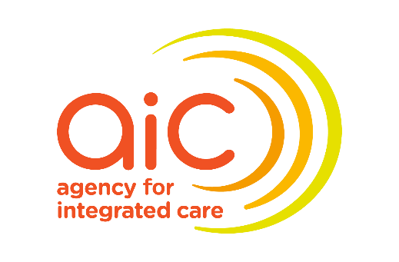
Classification: |  | RESTRICTED, SENSITIVE (NORMAL)

CHECKLIST FOR GRANT CLAIM SUBMISSION

Submission Period for this Claim |  |  | to

Instructions:
Please complete this checklist.

Description |  |  |  | Select accordingly in dropdown | Comments (if any)
Grant Claim Form
1 | I have ensured that claims are incurred within this claim submission period.
2 | If 'no' to the above and there are items claimed outside this claim submission period, I have indicated the following in the "Remarks" section: i) Confirmed that the item(s) has not claimed previously; and ii) Provided the reasons for the late claim
3 | I have indicated clear description for the claim item(s) in Section 1: Expense Breakdown
4 | I have ensured that only qualifying items as per approved scope and funding amount are submitted. (i.e. as stated in the Letter of Award or budget paper)
5 | I have obtained the approval from my Chief Executive Officer and Chief Financial Officer (or approved delegates)
6 | I declare that any document(s) containing personal data, the necessary consent has been obtained from the individuals to provide all of their personal information in the document(s) for AIC’s collection, use and disclosure for programme administration, evaluation, reporting and research purposes (where applicable).
7 | I have retained the supporting documents to support my claim submission (e.g., invoices, delivery orders, payroll records, attendances, workload records etc.). I have also retained any other documents as stated in the Letter of Award, Operating Frameworks, Funding Guidelines, Service Manual etc. (where applicable).

