1. Introduction
ACTIVE AGEING CENTRE IT GRANT (AAC IT GRANT)

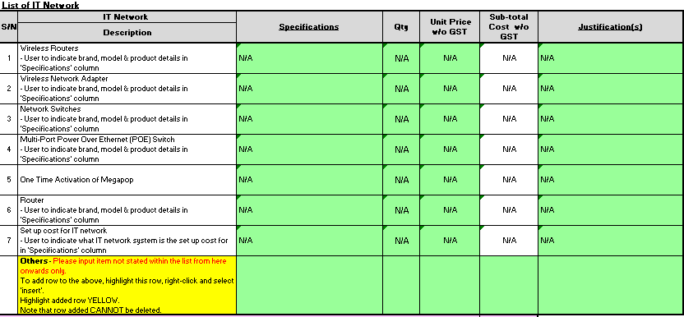
A) | Funding Amount
1 | AACs may apply for funding for: (a) Whitelisted IT Solution system, (b) End User Computing and (c) IT Network. The funding amounts are in the below table.

 | Table 1
 | Category |  | Funding Amount Per AAC (inclusive of GST)
 |  |  | AAC | AAC (Care)
 | Software | (a) Whitelisted IT Solution System | Up to $33,000 | Up to $33,000
 | Hardware | (b) End User Computing | Up to $50,000 | Up to $8,025
 |  | (c) IT Network |  | N/A
 | Total |  | Up to $83,000 | Up to $41,025

B) | Application Process
 | 1) | Each centre should only apply once for the AAC IT Grant after the whitelisting of IT Solutions. If an AAC has been previously awarded for hardware and requires additional hardware linked to their whitelisted IT solution system (such as facial recognition devices), the AAC may apply for such hardware again together with the IT Solutions. The total amount awarded for hardware and software per centre are capped based on the funding rates in Table 1.
 | 2) | Only ASG-compatible whitelisted IT Solution systems will be funded under software. The list of these systems is at https://www.synapxe.sg/partner-us/age-well-sg-programme & the supportable amount for each system may be found at https://www.aic.sg/partners/active-ageing-centre-it-grant/.
 | 3) | AIC will issue a Letter of Award to the Applicant, after funding is approved.

C) | Disbursement and Claims
 | 1) | 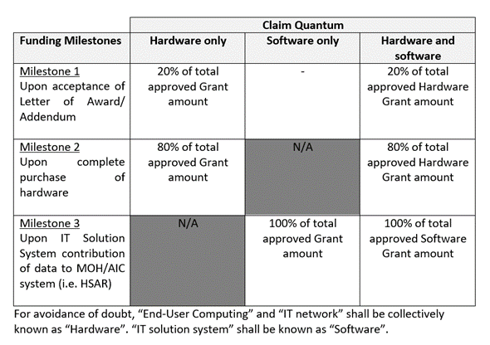 The disbursement schedule is below.

 | 2) | An AAC/AAC (Care) has up to two months from reaching the relevant milestone to submit its claim. By submitting the claim, an AAC/AAC (Care) declares that it has met the milestone.
 | 3) | Please retain supporting documents, in the event of an audit by AIC and/or MOH. Examples of documents to be retained are invoices and receipts.

D) | Filling in the Application Form
 | 1) | Please fill in only the green cells.
 | 2) | Please do not remove or change the contents of other cells.

 | Version_070425

