Instructions
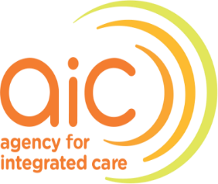
Classification: RESTRICTED, SENSITIVE (HIGH)

INSTRUCTIONS FOR ANNUAL REPORTING OF ABUSE AND HARASSMENT CASES TO AIC/MOH

Steps:
1 | Complete the Reporting Template MOH requires CCOs to submit a cumulative list of all Abuse and Harassment (AH) incidents towards healthcare workers (HCWs)* that occurred in the reporting Calendar Year (1 January – 31 December) through AIC as a data intermediary, and its disclosure is necessary in the public interest. More rows can be added to the table if required. For cases which have been reported to AIC via ad-hoc reporting i.e. Level 3 incident, please shade the row to facilitate tracking of case updates. *excludes incidents involving HCW abusing/harassing another HCW.
2 | Complete declaration and insert e-signature under the Reporting Template.
3 | Seek approvals from the CEO (or equivalent) and other appropriate approving authorities (if any).
4 | Please submit this excel file to FormSG https://for.sg/cco-annual-batch-reporting by 7 January.
 | Please ensure the file is password-protected and send your password to AH Incidents (AIC) <AHincidents@aic.sg>.

